Sheet1
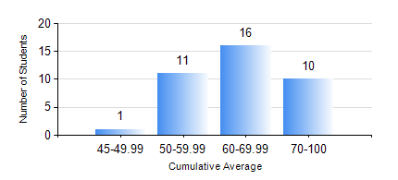
 |  |  | KWAME NKRUMAH UNIVERSITY OF SCIENCE AND TECHNOLOGY, KUMASI Department of Computer Engineering

 |  |  | BSC. BIOMEDICAL ENG.

 |  |  | COMPREHENSIVE RECORD OF EXAMINATION RESULTS

 |  |  | RESULTS OF YEAR 3 FIRST SEMESTER, 2018/2019 ACADEMIC YEAR

 | Sn | Course Code |  | Course Name | Credit Hours | Min. Mark | Max. Mark | Avg. Mark | Std. Dev. | No. Passed | No. Trailed | No. (Df) | No. (I) | No. (I*) | No. Tagged(I,I*,Df) | Total
 | 1. | BME 397 |  | RESEARCH METHODS | 3 | 40 | 98 | 81 | 14.52 | 38 | 0 | 0 | 0 | 0 | 0 | 38
 | 2. | COE 351 |  | OBJECT ORIENTED PROGRAMMING | 4 | 17 | 62 | 49 | 9.52 | 36 | 2 | 0 | 0 | 0 | 0 | 38
 | 3. | COE 371 |  | LINEAR ELECTRONIC CIRCUITS | 3 | 18 | 75 | 59 | 10.73 | 37 | 1 | 0 | 0 | 0 | 0 | 38
 | 4. | COE 381 |  | MICROPROCESSORS | 3 | 3 | 85 | 57 | 16.55 | 35 | 3 | 0 | 0 | 0 | 0 | 38
 | 5. | MATH 351 |  | NUMERICAL METHODS | 2 | 35 | 82 | 63 | 11.99 | 37 | 1 | 0 | 0 | 0 | 0 | 38
 | 6. | MATH 353 |  | PROBABILITY AND STATISTICS I | 2 | 40 | 87 | 64 | 11.66 | 38 | 0 | 0 | 0 | 0 | 0 | 38
 | 7. | TE 385 |  | SIGNALS AND SYSTEMS | 3 | 22 | 84 | 50 | 13.81 | 33 | 5 | 0 | 0 | 0 | 0 | 38

